Dashboard D
obs

SALES PERFOMANCE ANALYSIS

Xeenom

SALES
Quantity
Orders
Avg Discount

Dashboard
Δ Py :
Δ Py :
Δ Py :
=
Δ Py :

Analysis

Dataset

BY LOCATION

BY CUSTOMER SEGMENT
BY PRODUCT CATEGORY
Summary

Sales Team

Sales Analyst

Dashboard
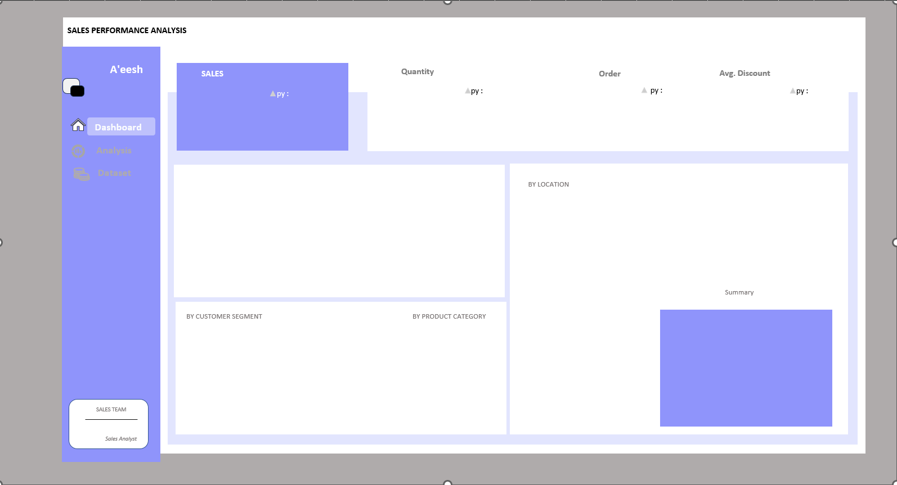

$484.25 K
7,581
969
15.83%
 | Total
Jan | $13.95 K
Feb | $4.81 K
Mar | $55.69 K
Apr | $28.30 K
May | $23.65 K
Jun | $34.60 K
Jul | $33.95 K
Aug | $27.91 K
Sep | $81.78 K
Oct | $31.45 K
Nov | $78.63 K
Dec | $69.55 K
 | Total
Jan | 282
Feb | 161
Mar | 585
Apr | 536
May | 466
Jun | 521
Jul | 550
Aug | 609
Sep | 1000
Oct | 573
Nov | 1219
Dec | 1079
 | Total
Jan | 31
Feb | 29
Mar | 71
Apr | 66
May | 69
Jun | 66
Jul | 65
Aug | 72
Sep | 130
Oct | 78
Nov | 151
Dec | 141
 | Total
Jan | 0.12628205128
Feb | 0.17553191489
Mar | 0.16751592357
Apr | 0.11
May | 0.15532786885
Jun | 0.172
Jul | 0.17167832168
Aug | 0.13104575163
Sep | 0.15996268657
Oct | 0.16006289308
Nov | 0.15116352201
Dec | 0.19082733813

MONTHLY TREND
 | Total Revenue | Total Revenue PY
Jan | $13.95 K
Feb | $4.81 K
Mar | $55.69 K
Apr | $28.30 K
May | $23.65 K
Jun | $34.60 K
Jul | $33.95 K
Aug | $27.91 K
Sep | $81.78 K
Oct | $31.45 K
Nov | $78.63 K
Dec | $69.55 K

California | $91.30 K
New York | $64.79 K
Texas | $50.63 K
Florida | $34.25 K
Washington | $29.87 K

SEGMENT DISTRIBUTION BY REGION
 | Consumer | Corporate | Home Office
South | $32.31 K | $34.68 K | $36.85 K
Central | $67.32 K | $19.90 K | $16.62 K
East | $76.50 K | $37.64 K | $14.54 K
West | $89.97 K | $36.21 K | $21.71 K
 | Total
Office Supplies | $151.78 K
Furniture | $157.19 K
Technology | $175.28 K
 | Total
Home Office | $89.72 K
Corporate | $128.43 K
Consumer | $266.10 K
TOP 5 MARKETS: California 19.9% ($458K), New York 13.5% ($311K), Texas 7.4% ($170K), Washington 6.0% ($139K), Pennsylvania 5.1% ($117K). CONCENTRATION: Top 5 states account for 52.0% of total revenue, top 3 drive 40.9%. California outperforms average st

Sheet2 (2)
SALES PERFORMANCE ANALYSIS

A'eesh
Quantity
SALES
Order
Avg. Discount
py :
py :
py :
py :

Dashboard

Analysis

Dataset
v
BY LOCATION

Summary

BY CUSTOMER SEGMENT
BY PRODUCT CATEGORY

SALES TEAM

Sales Analyst

